Guide
 | Particulars covered in the checklist are:

 | Goals
 | Budget
 | Logistics
 | Agenda
 | Help Source
 | Post-Event Activity
 | Payment
 | Attendee
 | Live Poll/Survey
 | Promotion
 | Data(Personal Use)

Post-Event Activity
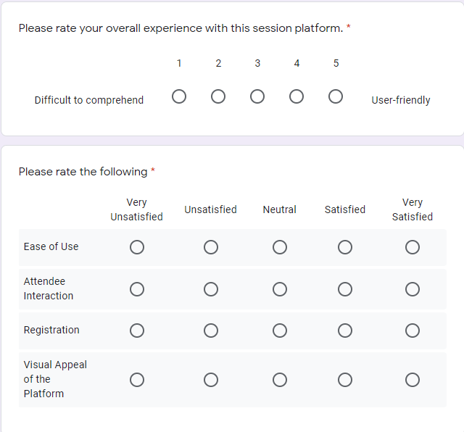
FEEDBACK FORM

Feedback Question | Question Type (MCQ/Scale/Subjective) | Choices | Option for writing a comment | Link for sharing the same into social media

https://docs.google.com/forms/d/1-QjCA5F28XLBXYlETA_F3PQHG85W4zJWerQZq8F0-Ow/edit

